Course Info
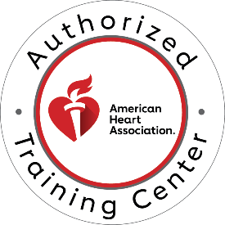
 | AHA Training Center 2535 Lanier Tech Drive, Deal Hall Gainesville, GA 30507 Phone: 770.533.6993 |  | Received
 |  |  | Paid/Inv.
 |  |  | Cards sent

ECC Programs Course Roster for ECARDS ONLY
ALL ROSTERS MUST BE TYPED FOR ACCURACY. Incomplete rosters will extend processing time. Email roster to aha@laniertech.edu.
COMPLETE THIS ROSTER FOR ECARDS ONLY |  |  | PAYMENT FOR ECARDS REQUIRED BEFORE PROCESSING

Select the Course Taught:
Course Type:
Course Location: |  |  | Payment type:
Lead Instructor's Name: |  |  | Choose Credit Card to decrease processing time. You will be called for payment prior to processing.
Instructor's Phone:
Instructor's Email:
Instructor's Address: |  |  | Check #
City/State/Zip: |  |  | PO# (if Invoice)

Course Start Date: |  |  | Start Time:
Course End Date: |  |  | End Time:
Student/Manikin Ratio: |  | Total Hours of Instruction:
ACLS/PALS ONLY: Physician Available |  |  | Total # eCards (must match Roster sheet!)
Physician's Name:

Assisting Instructor:
Assisting Instructor:
Assisting Instructor:
Assisting Instructor:
Errors in email addresses will incur a $5 service charge per student. Please check carefully!
By keying my full name below, I verify this information is correct and it may be confirmed. I further attest that this course was conducted according to AHA standards.

Keyed name of Lead Instructor: |  |  |  | Date:

